Images
MAPS, PLANS AND PHOTOS

Please use the below space to insert swim/bike/run course maps, transition plans, and photographs which may assist with understanding of specific ID points.

 | Club website page can be found here for competitor briefing information prior to race day:
 | https://midsussextriclub.com/club-events/seasons-events/mstc-triathlon-festival.aspx

 | Swim Leg:
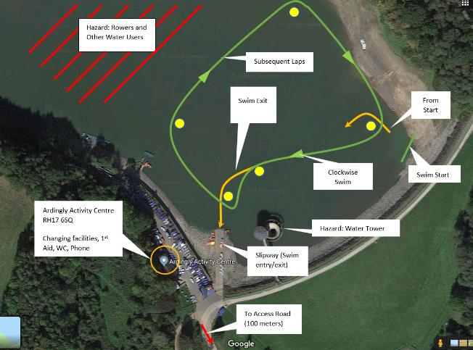

 | Bike Leg courses are shown below:
 | Sprint
 |  | https://ridewithgps.com/routes/30503549
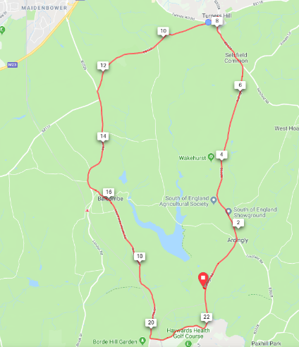

 | Standard
 |  | https://ridewithgps.com/routes/29848438

 | Transition

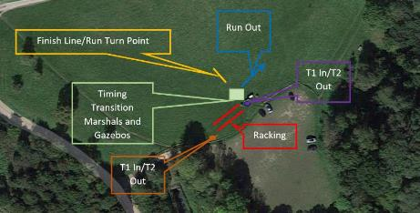

Run Route
